Indices

 | Iraq Stock Exchange
 | Bulletin No (203)

 | ISX Trading Indices of Thursday 13/11/2025

 | Traded Volume and OTC |  | 647,664,536 |  | Traded Value and OTC |  | 958,085,350 |  | Traders | 1085
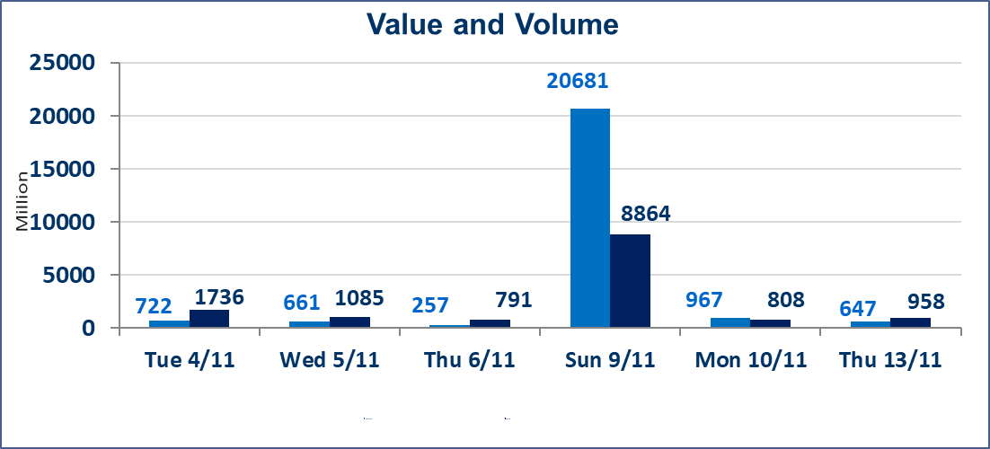
 | ISX Index 60 |  |  | 960.15 | ISX Index 15 |  |  | 1184.33
 | Previous ISX Index60 |  |  | 953.45 | Previous ISX Index15 |  |  | 1168.39
 | Change % |  |  | 0.70 | Change % |  |  | 1.36
 | Change |  |  | 6.70 | Change |  |  | 15.94

 | Listed Companies | 104 | OTC | 11 | Non Traded listed | 40 | OTC | 9
 | Traded Listed Companies | 48 | OTC | 1 | Higher Companies |  |  | 18
 | GAM Companies |  |  | 3 | Lower Companies |  |  | 7
 | Suspended Companies |  |  | 13
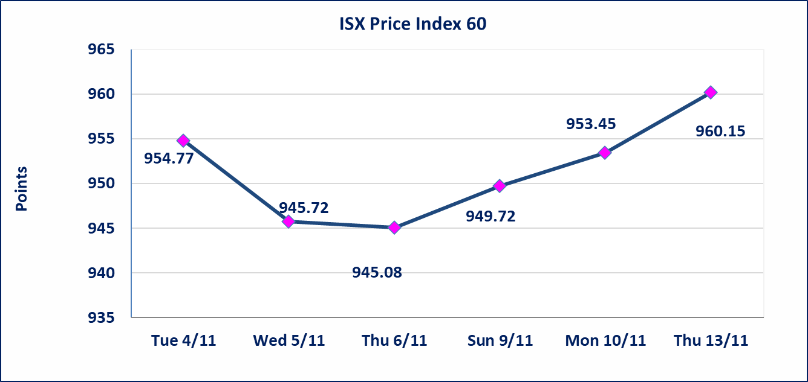
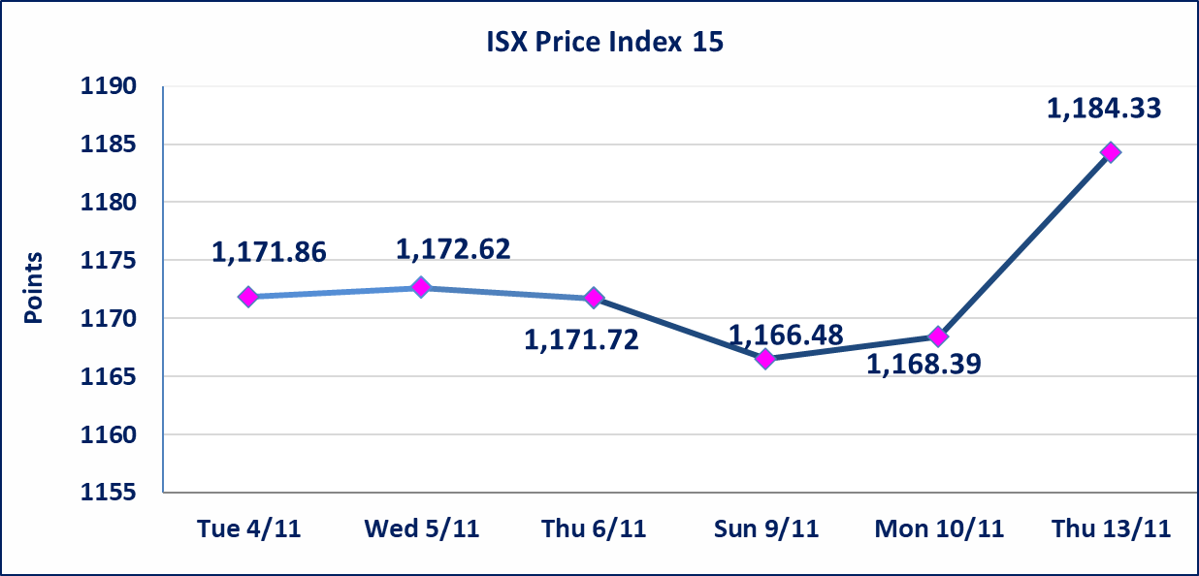

Al-Alwiya P.O . 3607 Mobile: 07711211522 - 07270094594 - 07834000034 E-mail: info-isx@isx-iq.net Web site:www.isx-iq.net

Top 5
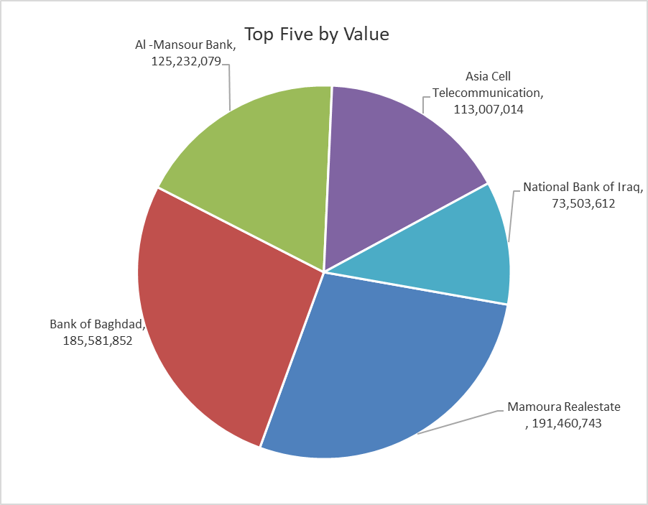
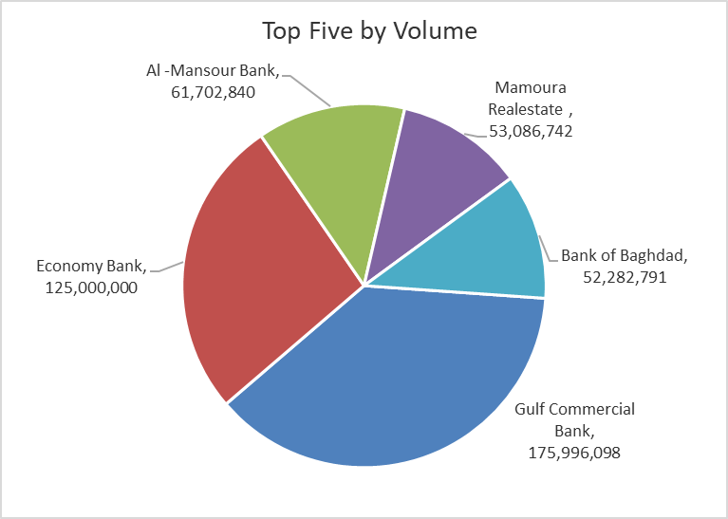
ISX top ganing and losing companies
Thursday 13/11/2025
Gainers |  |  |  | Losers
Company Name | Closing Price | Change (%) | Traded Volume | Company Name | Closing Price | Change (%) | Traded Volume
Tourist Village of Mosul dam | 8.620 | 14.93 | 40,000 | Economy Bank | 0.230 | -8.00 | 125,000,000
Babil Animal & Vegetable Production | 4.780 | 14.90 | 51,000 | Investment Bank of Iraq | 0.210 | -4.55 | 5,482,229
Iraqi Carton Manufactories | 1.960 | 14.62 | 1,034,422 | Ashour Hotel | 28.000 | -1.75 | 11,000
Al-Ataa Islamic Bank | 0.100 | 11.11 | 105,300 | Al-Mansour Pharmaceuticals Industries | 2.400 | -1.23 | 6,487,105
Sumer Commercial Bank | 0.110 | 10.00 | 5,650,641 | Al -Khazer Construction Materials | 1.180 | -0.84 | 505,388

The most active companies in term of traded volume and value

Traded Volume |  |  |  | Traded Value
Company Name | Closing Price | Change (%) | Traded Volume | Company Name | Closing Price | Change (%) | Traded Value
Gulf Commercial Bank | 0.290 | 0.00 | 175,996,098 | Mamoura Realestate | 3.670 | 4.26 | 191,460,743
Economy Bank | 0.230 | -8.00 | 125,000,000 | Bank of Baghdad | 3.580 | 1.70 | 185,581,852
Al -Mansour Bank | 2.030 | 0.00 | 61,702,840 | Al -Mansour Bank | 2.030 | 0.00 | 125,232,079
Mamoura Realestate | 3.670 | 4.26 | 53,086,742 | Asia Cell Telecommunication | 13.100 | 1.55 | 113,007,014
Bank of Baghdad | 3.580 | 1.70 | 52,282,791 | National Bank of Iraq | 4.690 | 3.76 | 73,503,612

OTC

Iraq Stock Exchange

Thursday 13/11/2025
OTC Platform Trading Bulletin No (203)
Company Name | Code | highest price | lowest price | Average price | No.of Trades | Traded Volume | Traded Value
Banks Sector
Al-Warka Bank | BWAI | 0.090 | 0.080 | 0.080 | 11 | 60,903,668 | 5,084,050
Total Of Banks Sector |  |  |  |  | 11 | 60,903,668 | 5,084,050
Total |  |  |  |  | 11 | 60,903,668 | 5,084,050

Not Trading OTC Companies
Company Name |  |  | Code |  | Previous Average price
Banks Sector
Hammurabi Commercial Bank |  |  | BHAM |  | ـــــــــــــــــــــــــــــــــــ
Al-Sanam Islamic Bank |  |  | BSAN |  | 3.000
Money Service Sector
Rabee Securities |  |  | FRSE |  | 9.500
Karmal Brokerage |  |  | FKSX |  | 10.000
Ishtar Gate for e-Paymant |  |  | FISH |  | 1.000
Sama Baghdad Exchange |  |  | FSBE |  | ـــــــــــــــــــــــــــــــــــ
Iraqi Deposit Insurance Corporation |  |  | FIDI |  | ـــــــــــــــــــــــــــــــــــ
Insurance Sector
Shatt Al Arab Insurance |  |  | NSHA |  | 1.000
Dilina Insurance Company |  |  | NDIL |  | ـــــــــــــــــــــــــــــــــــ

Non OTC

Iraq Stock Exchange
Non Iraqis' Bulletin Thursday Nov 13 2025
Regular Market

Non Iraqi Trading of OTC (Sell)
Company Names | Code | No.of trades | Traded Shares | Trading Volume
Banks Sector
Warka Bank for inv.&Finance | BWAI | 10 | 60,000,000 | 5,011,757
Total Bank sector |  | 10 | 60,000,000 | 5,011,757
Grand Total |  | 10 | 60,000,000 | 5,011,757

